Sheet1
 | Performance test cases of an E-Commerce website (Daraz)
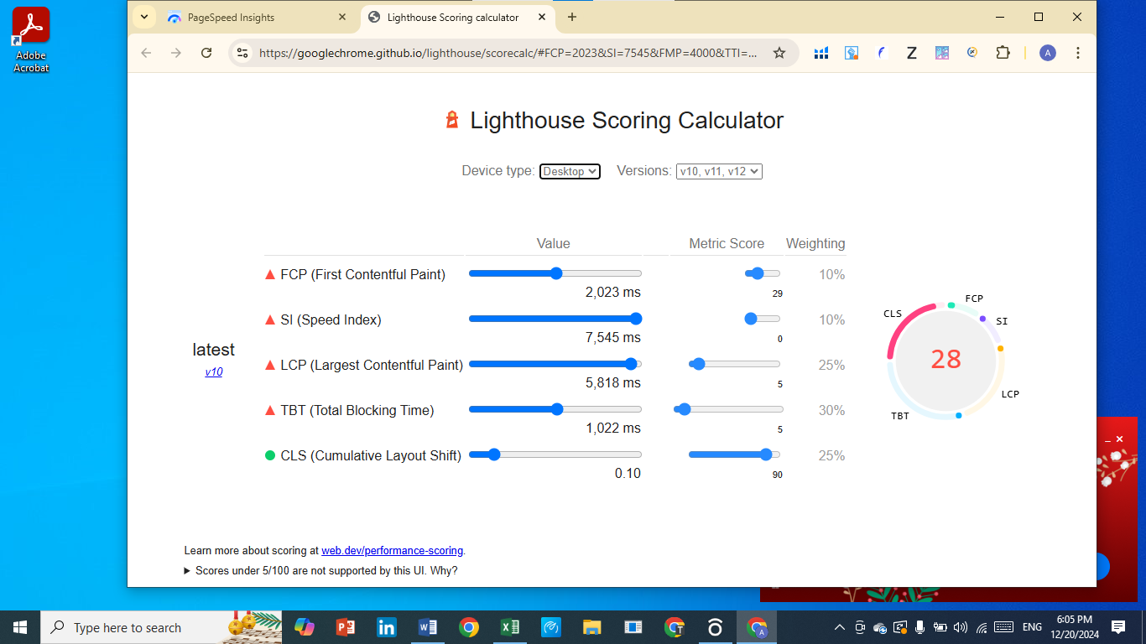
Tool | Google Page speed

Complete Report | Click Here

Calculated Report | Click Here

Test case id | Test case Summary | Preconditions | Test Steps | Test Data | ExpectedResult | ActualResult | Pass/Fail | Test Enviroment

TC001 | To verify the page load within the acceptable limits | The testing environment should have a stable internet connection. | Open the Daraz main page on Dekstop | N/A | Page load time should not exceed (e.g., 2.5 seconds for LCP). | The result is not as expected LCP is exceeding from its range(3.3 s) | Fail | Browser:chrome Ios:windows 10
 |  | The browser cache should be cleared to simulate a fresh page load. | Measure the time taken for the page to load
 |  | A performance testing tool like PageSpeed Insights must be availaible
TC002 | To verify that the LCP metric meets the recommended limit | The testing environment should have a stable internet connection. | open the Daraz main page on a Dekstop. | N/A | LCP should be under 2.5 seconds. | The result is not as expected LCP is exceeding from its range(3.3 s) | Fail | Browser:chrome Ios:windows 10
 |  | The browser cache should be cleared to simulate a fresh page load. | Identify the largest visible content block during the page load.
 |  | A performance testing tool like PageSpeed Insights must be availaible | Measure the time taken for the LC

TC003 | Validate First Contentful Paint (FCP) Performance | The testing environment should have a stable internet connection. | Open the browser and access the testing tool (e.g., PageSpeed Insights or Lighthouse). | N/A | FCP should be less than 1.8 seconds | The result is not as expected FCP is exceeding from its range(1.9 s) it needs improvement | Fail | Browser:chrome Ios:windows 10
 |  | The browser cache should be cleared to simulate a fresh page load. | Input the URL of the webpage under test (e.g., the Daraz main page).
 |  | A performance testing tool like PageSpeed Insights must be availaible | Start the performance analysis by clicking on "Analyze" or "Run Audit."
 |  |  | Observe the metrics displayed in the report and locate the First Contentful Paint (FCP) value.
 |  |  | Verify the FCP value in milliseconds/seconds against the expected threshold.
TC004 | To verify the total blocking time (TBT) of the webpage | The testing environment should have a stable internet connection. | Open the performance testing tool (e.g., PageSpeed Insights or Lighthouse). | N/A | the total blocking time (TBT) of the webpage should be within the acceptable threshold, ensuring the page remains interactive and responsive during loading TBT should be less than 200 ms. | The result is not as expected TBT is exceeding from its range which is 2,430 ms and it should be (within 200ms) it needs improvement | Fail | Browser:chrome Ios:windows 10
 |  | The browser cache should be cleared to simulate a fresh page load. | Enter the URL of the webpage under test (e.g., Daraz main page).
 |  | A performance testing tool like PageSpeed Insights must be availaible | Start the performance audit by clicking on "Analyze" or "Run Audit."
 |  |  | Wait for the analysis to complete and locate the Total Blocking Time (TBT) metric in the report.
 |  |  | Verify the TBT value against the expected performance threshold.

TC005 | To verify the page layout stability | The testing environment should have a stable internet connection. | Open the performance testing tool (e.g., PageSpeed Insights or Lighthouse). | N/A | the page layout stability should meets the recommended CLS threshold, providing a smooth visual experience without unexpected shifts during loading. CLS score should be less than 0.1. | AS Expected | pass | Browser:chrome Ios:windows 10
 |  | The browser cache should be cleared to simulate a fresh page load. | Enter the URL of the webpage under test (e.g., Daraz main page).
 |  | A performance testing tool like PageSpeed Insights must be availaible | Start the performance audit by clicking on "Analyze" or "Run Audit."
 |  |  | Wait for the analysis to complete and locate the Cumulative Layout Shift (CLS) metric in the report.
 |  |  | Verify the CLS value against the expected performance threshold.

TC006 | Validate Speed Index (SI) Performance | The testing environment should have a stable internet connection. | Open a performance testing tool (e.g., Lighthouse in Chrome DevTools or PageSpeed Insights). | N/A | Speed Index (SI) of the webpage should be within the acceptable threshold to provide a fast and visually stable experience. it should be (SI ≤ 4.3 seconds.) | The result is not as expected SI is exceeding from its range which is 6.7 s and it should be (≤ 4.3 seconds ) it needs improvement | Fail | Browser:chrome Ios:windows 10
 |  | The browser cache should be cleared to simulate a fresh page load. | Enter the URL of the webpage under test (e.g., Daraz main page).
 |  | A performance testing tool like PageSpeed Insights must be availaible | Run the performance audit by clicking on "Analyze" or "Run Audit."
 |  |  | Once the analysis is complete, locate the Speed Index (SI) metric in the performance report.
 |  |  | Record the Speed Index value in milliseconds/seconds.
 |  |  | Compare the Speed Index value with the expected threshold.

